pe25 swim donna
PLEIN SPORT
COMMERCIAL CONDITION

EXW | Italy

SKETCH | CODE | PP CODE | FABRIC COMPOSITION | CODICE COLORE PP | SERIE | STYLE | SIZE GRADING | WHS | RRP | XS | S | M | L | TOT
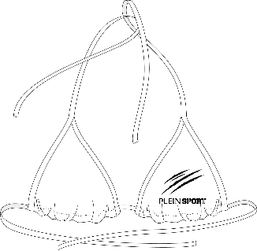 | PS25WTP01 | SAEC WUZ0132 STE003N | 82% POLYAMMIDE 18% ELASTAN | 01 WHITE | BASIC | TRIANGLE BRA | XS-L | 18.00 € | 50.00 € | 26 | 42 | 42 | 43 | 153
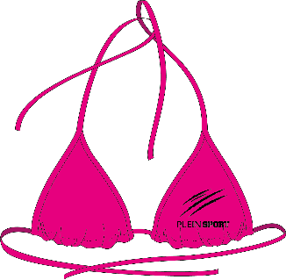 | PS25WTP01 | SAEC WUZ0132 STE003N | 82% POLYAMMIDE 18% ELASTAN | 33 FUXIA | BASIC | TRIANGLE BRA | XS-L | 18.00 € | 50.00 € | 30 | 50 | 40 | 44 | 164
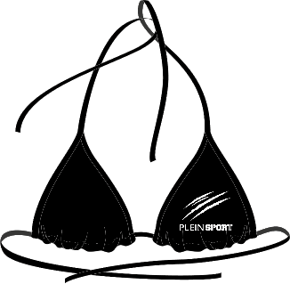 | PS25WTP01 | SAEC WUZ0132 STE003N | 82% POLYAMMIDE 18% ELASTAN | 02 BLACK | BASIC | TRIANGLE BRA | XS-L | 18.00 € | 50.00 € | 24 | 33 | 31 | 34 | 122
 | PS25WBT01 | SAEC-WUY0220-STE003N | 82% POLYAMMIDE 18% ELASTAN | 01 WHITE | BASIC | BOTTOM | XS-L | 17.00 € | 45.00 € | 31 | 55 | 45 | 46 | 177
 | PS25WBT01 | SAEC-WUY0220-STE003N | 82% POLYAMMIDE 18% ELASTAN | 33 FUXIA | BASIC | BOTTOM | XS-L | 17.00 € | 45.00 € | 31 | 52 | 40 | 46 | 169
 | PS25WBT01 | SAEC-WUY0220-STE003N | 82% POLYAMMIDE 18% ELASTAN | 02 BLACK | BASIC | BOTTOM | XS-L | 17.00 € | 45.00 € | 27 | 34 | 32 | 38 | 131
 | PS25WTP02 | SAEC-WUZ0133-STE003N | 82% POLYAMMIDE 18% ELASTAN | 01 WHITE | BASIC | BANDEAU | XS-L | 18.00 € | 50.00 € | 27 | 47 | 35 | 43 | 152
 | PS25WTP02 | SAEC-WUZ0133-STE003N | 82% POLYAMMIDE 18% ELASTAN | 33 FUXIA | BASIC | BANDEAU | XS-L | 18.00 € | 50.00 € | 29 | 47 | 33 | 41 | 150
 | PS25WTP02 | SAEC-WUZ0133-STE003N | 82% POLYAMMIDE 18% ELASTAN | 02 BLACK | BASIC | BANDEAU | XS-L | 18.00 € | 50.00 € | 27 | 44 | 29 | 39 | 139
 | PS25WBT02 | SAEC-WUY0222-STE003N | 82% POLYAMMIDE 18% ELASTAN | 01 WHITE | BASIC | BOTTOM | XS-L | 17.50 € | 45.00 € | 29 | 47 | 35 | 46 | 157
 | PS25WBT02 | SAEC-WUY0222-STE003N | 82% POLYAMMIDE 18% ELASTAN | 33 FUXIA | BASIC | BOTTOM | XS-L | 17.50 € | 45.00 € | 29 | 45 | 36 | 41 | 151
 | PS25WBT02 | SAEC-WUY0222-STE003N | 82% POLYAMMIDE 18% ELASTAN | 02 BLACK | BASIC | BOTTOM | XS-L | 17.50 € | 45.00 € | 28 | 39 | 28 | 39 | 134
 | PS25WOP01 | SAEC-WMX0271-STE003N | 82% POLYAMMIDE 18% ELASTAN | 01 WHITE | BASIC | ONE PIECE | XS-L | 25.00 € | 70.00 € | 16 | 28 | 18 | 27 | 89
 | PS25WOP01 | SAEC-WMX0271-STE003N | 82% POLYAMMIDE 18% ELASTAN | 33 FUXIA | BASIC | ONE PIECE | XS-L | 25.00 € | 70.00 € | 11 | 18 | 15 | 19 | 63
 | PS25WOP01 | SAEC-WMX0271-STE003N | 82% POLYAMMIDE 18% ELASTAN | 02 BLACK | BASIC | ONE PIECE | XS-L | 25.00 € | 70.00 € | 17 | 21 | 21 | 25 | 84
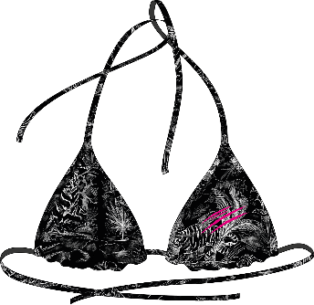 | PS25WTP03 | SAEC-WUZ0134-STE003N | 82% POLYESTER 18% ELASTAN | 02 BLACK | ALLOVER JUNGLE | TRIANGLE BRA | XS-L | 19.00 € | 50.00 € | 17 | 30 | 19 | 25 | 91
 | PS25WBT03 | SAEC-WUY0223-STE003N | 82% POLYESTER 18% ELASTAN | 02 BLACK | ALLOVER JUNGLE | BOTTOM | XS-L | 18.00 € | 45.00 € | 17 | 30 | 18 | 23 | 88
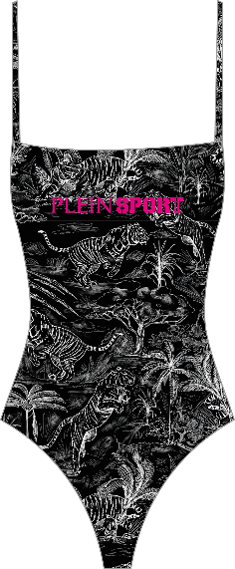 | PS25WOP02 | SAEC-WMX0272-STE003N | 82% POLYESTER 18% ELASTAN | 02 BLACK | ALLOVER JUNGLE | ONE PIECE | XS-L | 25.00 € | 70.00 € | 18 | 34 | 21 | 28 | 101
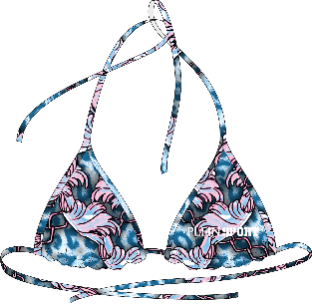 | PS25WTP05 | SAEC-WUZ0136-STE003N | 82% POLYESTER 18% ELASTAN | 08 MIDDLE BLUE | COLORFUL LEO | TRIANGLE BRA | XS-L | 19.00 € | 50.00 € | 12 | 18 | 15 | 21 | 66
 | PS25WBT05 | SAEC-WUY0225-STE003N | 82% POLYESTER 18% ELASTAN | 08 MIDDLE BLUE | COLORFUL LEO | BOTTOM | XS-L | 18.00 € | 45.00 € | 12 | 16 | 14 | 19 | 61
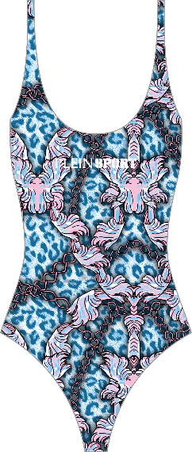 | PS25WOP03 | SAEC-WMX0273-STE003N | 82% POLYESTER 18% ELASTAN | 08 MIDDLE BLUE | COLORFUL LEO | ONE PIECE | XS-L | 25.00 € | 70.00 € | 11 | 21 | 21 | 23 | 76
 | PS25WCU05 | SAEC-WMG0075-STE003N | 82% POLYESTER 18% ELASTAN | 08 MIDDLE BLUE | COLORFUL LEO | COVER UP | XS-L | 26.00 € | 70.00 € | 5 | 6 | 6 | 7 | 24
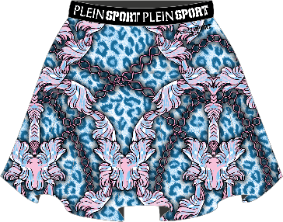 | PS25WCU06 | SAEC-WMV0001-STE003N | 82% POLYESTER 18% ELASTAN | 08 MIDDLE BLUE | COLORFUL LEO | COVER UP | XS-L | 29.00 € | 75.00 € | 5 | 7 | 5 | 8 | 25
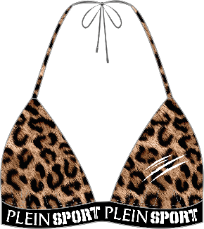 | PS25WTP06 | SAEC-WUZ0139-STE003N | 82% POLYESTER 18% ELASTAN | 10lp LEOPARD | ALLOVER LEO | TRIANGLE BRA | XS-L | 19.00 € | 50.00 € | 17 | 18 | 8 | 16 | 59
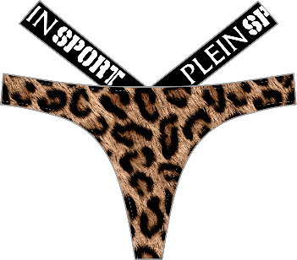 | PS25WBT06 | SAEC-WUY0226-STE003N | 82% POLYESTER 18% ELASTAN | 10lp LEOPARD | ALLOVER LEO | BOTTOM | XS-L | 18.00 € | 45.00 € | 17 | 23 | 13 | 22 | 75
 | PS25WTP08 | SAEC-WUZ0137-STE003N | 82% POLYAMMIDE 18% ELASTAN | 02 BLACK | ELASTIC | BANDEAU | XS-L | 19.00 € | 50.00 € | 27 | 42 | 31 | 40 | 140
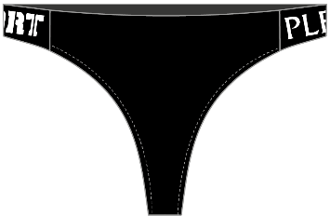 | PS25WBT08 | SAEC-WUY0228-STE003N | 82% POLYAMMIDE 18% ELASTAN | 02 BLACK | ELASTIC | BOTTOM | XS-L | 17.00 € | 45.00 € | 26 | 41 | 28 | 34 | 129
 |  |  |  |  |  |  |  |  |  |  |  |  |  | 2,970

